Script
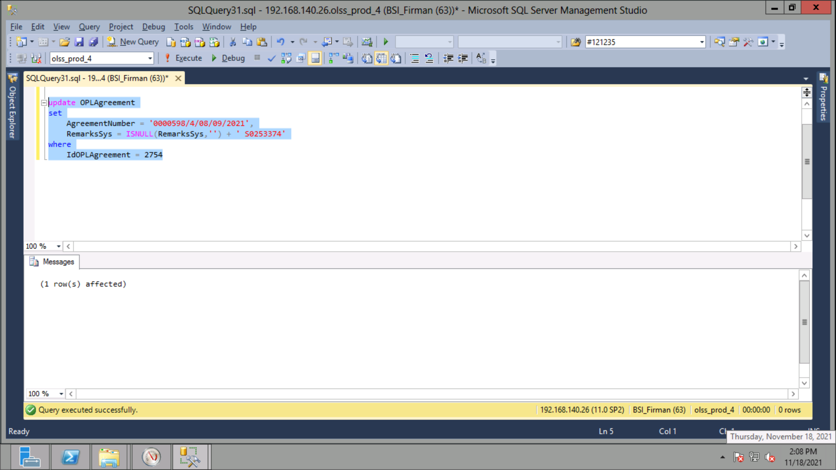
update OPLAgreement
set
 | AgreementNumber = '0000598/4/08/09/2021',
 | RemarksSys = ISNULL(RemarksSys,'') + ' S0253374'
where
 | IdOPLAgreement = 2754

Screenshot
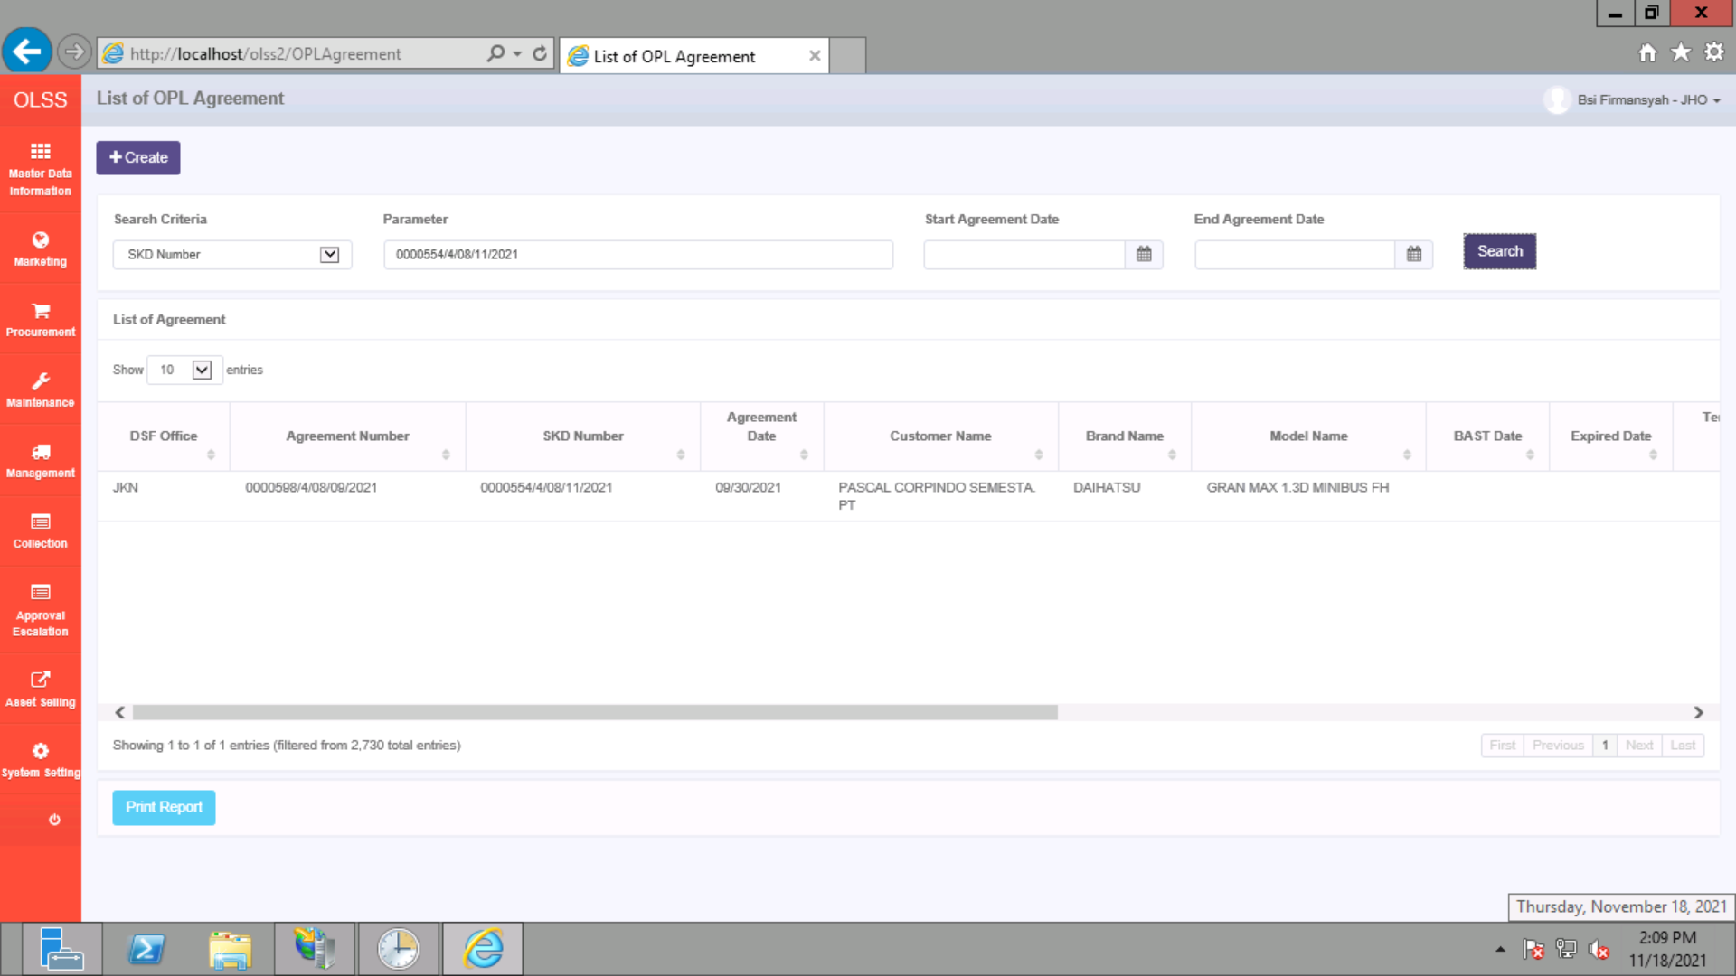
BEFORE
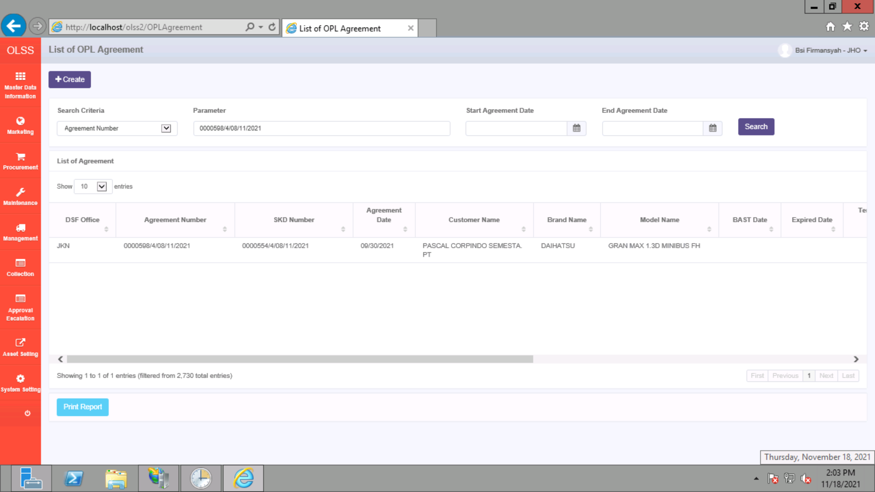

AFTER

